2024
AFO Product DMEPOS By State Fee Schedule January 2024 Fee Schedule
HCPCS | Description | Ceiling | Floor | AL (NR) | AL (R) | AR (NR) | AR (R) | AZ (NR) | AZ (R) | CA (NR) | CA (R) | CO (NR) | CO (R) | CT (NR) | CT (R) | DC (NR) | DC (R) | DE (NR) | DE (R) | FL (NR) | FL (R) | GA (NR) | GA (R) | IA (NR) | IA (R) | ID (NR) | ID (R) | IL (NR) | IL (R) | IN (NR) | IN (R) | KS (NR) | KS (R) | KY (NR) | KY (R) | LA (NR) | LA (R) | MA (NR) | MA (R) | MD (NR) | MD (R) | ME (NR) | ME (R) | MI (NR) | MI (R) | MN (NR) | MN (R) | MO (NR) | MO (R) | MS (NR) | MS (R) | MT (NR) | MT (R) | NC (NR) | NC (R) | ND (NR) | ND (R) | NE (NR) | NE (R) | NH (NR) | NH (R) | NJ (NR) | NJ (R) | NM (NR) | NM (R) | NV (NR) | NV (R) | NY (NR) | NY (R) | OH (NR) | OH (R) | OK (NR) | OK (R) | OR (NR) | OR (R) | PA (NR) | PA (R) | RI (NR) | RI (R) | SC (NR) | SC (R) | SD (NR) | SD (R) | TN (NR) | TN (R) | TX (NR) | TX (R) | UT (NR) | UT (R) | VA (NR) | VA (R) | VT (NR) | VT (R) | WA (NR) | WA (R) | WI (NR) | WI (R) | WV (NR) | WV (R) | WY (NR) | WY (R) | AK (NR) | AK (R) | HI (NR) | HI (R) | PR (NR) | PR (R) | VI (NR) | VI (R) | Description
Richie Brace
L1970 | Ankle foot orthosis, plastic with ankle joint, custom fabricated | 1043.81 | 782.86 | 901.98 | 0.00 | 782.86 | 0.00 | 850.21 | 0.00 | 850.21 | 0.00 | 822.44 | 0.00 | 1043.81 | 0.00 | 782.86 | 0.00 | 782.86 | 0.00 | 901.98 | 0.00 | 901.98 | 0.00 | 935.72 | 0.00 | 813.81 | 0.00 | 814.38 | 0.00 | 814.38 | 0.00 | 935.72 | 0.00 | 901.98 | 0.00 | 782.86 | 0.00 | 1043.81 | 0.00 | 782.86 | 0.00 | 1043.81 | 0.00 | 814.38 | 0.00 | 814.38 | 0.00 | 935.72 | 0.00 | 901.98 | 0.00 | 822.44 | 0.00 | 901.98 | 0.00 | 822.44 | 0.00 | 935.72 | 0.00 | 1043.81 | 0.00 | 1038.33 | 0.00 | 782.86 | 0.00 | 850.21 | 0.00 | 1038.33 | 0.00 | 814.38 | 0.00 | 782.86 | 0.00 | 813.81 | 0.00 | 782.86 | 0.00 | 1043.81 | 0.00 | 901.98 | 0.00 | 822.44 | 0.00 | 901.98 | 0.00 | 782.86 | 0.00 | 822.44 | 0.00 | 782.86 | 0.00 | 1043.81 | 0.00 | 813.81 | 0.00 | 814.38 | 0.00 | 782.86 | 0.00 | 822.44 | 0.00 | 824.02 | 0.00 | 881.13 | 0.00 | 1234.82 | 0.00 | 1038.34 | 0.00 | Afo plastic molded w/ankle j
L2820 | Addition to lower extremity orthosis, soft interface for molded plastic, below knee section | 127.39 | 95.54 | 95.54 | 0.00 | 95.54 | 0.00 | 127.39 | 0.00 | 127.39 | 0.00 | 127.39 | 0.00 | 126.88 | 0.00 | 95.54 | 0.00 | 95.54 | 0.00 | 95.54 | 0.00 | 95.54 | 0.00 | 95.54 | 0.00 | 95.54 | 0.00 | 95.54 | 0.00 | 95.54 | 0.00 | 95.54 | 0.00 | 95.54 | 0.00 | 95.54 | 0.00 | 126.88 | 0.00 | 95.54 | 0.00 | 126.88 | 0.00 | 95.54 | 0.00 | 95.54 | 0.00 | 95.54 | 0.00 | 95.54 | 0.00 | 127.39 | 0.00 | 95.54 | 0.00 | 127.39 | 0.00 | 95.54 | 0.00 | 126.88 | 0.00 | 109.72 | 0.00 | 95.54 | 0.00 | 127.39 | 0.00 | 109.72 | 0.00 | 95.54 | 0.00 | 95.54 | 0.00 | 95.54 | 0.00 | 95.54 | 0.00 | 126.88 | 0.00 | 95.54 | 0.00 | 127.39 | 0.00 | 95.54 | 0.00 | 95.54 | 0.00 | 127.39 | 0.00 | 95.54 | 0.00 | 126.88 | 0.00 | 95.54 | 0.00 | 95.54 | 0.00 | 95.54 | 0.00 | 127.39 | 0.00 | 232.40 | 0.00 | 248.54 | 0.00 | 382.70 | 0.00 | 109.72 | 0.00 | Soft interface below knee se
Total HCPCS |  | 1171.20 | 878.40 | 997.52 | 0.00 | 878.40 | 0.00 | 977.60 | 0.00 | 977.60 | 0.00 | 949.83 | 0.00 | 1170.69 | 0.00 | 878.40 | 0.00 | 878.40 | 0.00 | 997.52 | 0.00 | 997.52 | 0.00 | 1031.26 | 0.00 | 909.35 | 0.00 | 909.92 | 0.00 | 909.92 | 0.00 | 1031.26 | 0.00 | 997.52 | 0.00 | 878.40 | 0.00 | 1170.69 | 0.00 | 878.40 | 0.00 | 1170.69 | 0.00 | 909.92 | 0.00 | 909.92 | 0.00 | 1031.26 | 0.00 | 997.52 | 0.00 | 949.83 | 0.00 | 997.52 | 0.00 | 949.83 | 0.00 | 1031.26 | 0.00 | 1170.69 | 0.00 | 1148.05 | 0.00 | 878.40 | 0.00 | 977.60 | 0.00 | 1148.05 | 0.00 | 909.92 | 0.00 | 878.40 | 0.00 | 909.35 | 0.00 | 878.40 | 0.00 | 1170.69 | 0.00 | 997.52 | 0.00 | 949.83 | 0.00 | 997.52 | 0.00 | 878.40 | 0.00 | 949.83 | 0.00 | 878.40 | 0.00 | 1170.69 | 0.00 | 909.35 | 0.00 | 909.92 | 0.00 | 878.40 | 0.00 | 949.83 | 0.00 | 1056.42 | 0.00 | 1129.67 | 0.00 | 1617.52 | 0.00 | 1148.06 | 0.00

Platic Articulating AFO
L1970 | Ankle foot orthosis, plastic with ankle joint, custom fabricated | 1043.81 | 782.86 | 901.98 | 0.00 | 782.86 | 0.00 | 850.21 | 0.00 | 850.21 | 0.00 | 822.44 | 0.00 | 1043.81 | 0.00 | 782.86 | 0.00 | 782.86 | 0.00 | 901.98 | 0.00 | 901.98 | 0.00 | 935.72 | 0.00 | 813.81 | 0.00 | 814.38 | 0.00 | 814.38 | 0.00 | 935.72 | 0.00 | 901.98 | 0.00 | 782.86 | 0.00 | 1043.81 | 0.00 | 782.86 | 0.00 | 1043.81 | 0.00 | 814.38 | 0.00 | 814.38 | 0.00 | 935.72 | 0.00 | 901.98 | 0.00 | 822.44 | 0.00 | 901.98 | 0.00 | 822.44 | 0.00 | 935.72 | 0.00 | 1043.81 | 0.00 | 1038.33 | 0.00 | 782.86 | 0.00 | 850.21 | 0.00 | 1038.33 | 0.00 | 814.38 | 0.00 | 782.86 | 0.00 | 813.81 | 0.00 | 782.86 | 0.00 | 1043.81 | 0.00 | 901.98 | 0.00 | 822.44 | 0.00 | 901.98 | 0.00 | 782.86 | 0.00 | 822.44 | 0.00 | 782.86 | 0.00 | 1043.81 | 0.00 | 813.81 | 0.00 | 814.38 | 0.00 | 782.86 | 0.00 | 822.44 | 0.00 | 824.02 | 0.00 | 881.13 | 0.00 | 1234.82 | 0.00 | 1038.34 | 0.00 | Afo plastic molded w/ankle j
Total HCPCS |  | 1043.81 | 782.86 | 901.98 | 0.00 | 782.86 | 0.00 | 850.21 | 0.00 | 850.21 | 0.00 | 822.44 | 0.00 | 1043.81 | 0.00 | 782.86 | 0.00 | 782.86 | 0.00 | 901.98 | 0.00 | 901.98 | 0.00 | 935.72 | 0.00 | 813.81 | 0.00 | 814.38 | 0.00 | 814.38 | 0.00 | 935.72 | 0.00 | 901.98 | 0.00 | 782.86 | 0.00 | 1043.81 | 0.00 | 782.86 | 0.00 | 1043.81 | 0.00 | 814.38 | 0.00 | 814.38 | 0.00 | 935.72 | 0.00 | 901.98 | 0.00 | 822.44 | 0.00 | 901.98 | 0.00 | 822.44 | 0.00 | 935.72 | 0.00 | 1043.81 | 0.00 | 1038.33 | 0.00 | 782.86 | 0.00 | 850.21 | 0.00 | 1038.33 | 0.00 | 814.38 | 0.00 | 782.86 | 0.00 | 813.81 | 0.00 | 782.86 | 0.00 | 1043.81 | 0.00 | 901.98 | 0.00 | 822.44 | 0.00 | 901.98 | 0.00 | 782.86 | 0.00 | 822.44 | 0.00 | 782.86 | 0.00 | 1043.81 | 0.00 | 813.81 | 0.00 | 814.38 | 0.00 | 782.86 | 0.00 | 822.44 | 0.00 | 824.02 | 0.00 | 881.13 | 0.00 | 1234.82 | 0.00 | 1038.34 | 0.00

Articulating Gauntlet
L1970 | Ankle foot orthosis, plastic with ankle joint, custom fabricated | 1043.81 | 782.86 | 901.98 | 0.00 | 782.86 | 0.00 | 850.21 | 0.00 | 850.21 | 0.00 | 822.44 | 0.00 | 1043.81 | 0.00 | 782.86 | 0.00 | 782.86 | 0.00 | 901.98 | 0.00 | 901.98 | 0.00 | 935.72 | 0.00 | 813.81 | 0.00 | 814.38 | 0.00 | 814.38 | 0.00 | 935.72 | 0.00 | 901.98 | 0.00 | 782.86 | 0.00 | 1043.81 | 0.00 | 782.86 | 0.00 | 1043.81 | 0.00 | 814.38 | 0.00 | 814.38 | 0.00 | 935.72 | 0.00 | 901.98 | 0.00 | 822.44 | 0.00 | 901.98 | 0.00 | 822.44 | 0.00 | 935.72 | 0.00 | 1043.81 | 0.00 | 1038.33 | 0.00 | 782.86 | 0.00 | 850.21 | 0.00 | 1038.33 | 0.00 | 814.38 | 0.00 | 782.86 | 0.00 | 813.81 | 0.00 | 782.86 | 0.00 | 1043.81 | 0.00 | 901.98 | 0.00 | 822.44 | 0.00 | 901.98 | 0.00 | 782.86 | 0.00 | 822.44 | 0.00 | 782.86 | 0.00 | 1043.81 | 0.00 | 813.81 | 0.00 | 814.38 | 0.00 | 782.86 | 0.00 | 822.44 | 0.00 | 824.02 | 0.00 | 881.13 | 0.00 | 1234.82 | 0.00 | 1038.34 | 0.00 | Afo plastic molded w/ankle j
L2330 | Addition to lower extremity, lacer molded to patient model, for custom fabricated orthosis only. | 576.00 | 432.00 | 432.00 | 0.00 | 457.86 | 0.00 | 576.00 | 0.00 | 576.00 | 0.00 | 476.15 | 0.00 | 483.42 | 0.00 | 473.85 | 0.00 | 473.85 | 0.00 | 432.00 | 0.00 | 432.00 | 0.00 | 457.85 | 0.00 | 511.10 | 0.00 | 432.00 | 0.00 | 432.00 | 0.00 | 457.85 | 0.00 | 432.00 | 0.00 | 457.86 | 0.00 | 483.42 | 0.00 | 473.85 | 0.00 | 483.42 | 0.00 | 432.00 | 0.00 | 432.00 | 0.00 | 457.85 | 0.00 | 432.00 | 0.00 | 476.15 | 0.00 | 432.00 | 0.00 | 476.15 | 0.00 | 457.85 | 0.00 | 483.42 | 0.00 | 576.00 | 0.00 | 457.86 | 0.00 | 576.00 | 0.00 | 576.00 | 0.00 | 432.00 | 0.00 | 457.86 | 0.00 | 511.10 | 0.00 | 473.85 | 0.00 | 483.42 | 0.00 | 432.00 | 0.00 | 476.15 | 0.00 | 432.00 | 0.00 | 457.86 | 0.00 | 476.15 | 0.00 | 473.85 | 0.00 | 483.42 | 0.00 | 511.10 | 0.00 | 432.00 | 0.00 | 473.85 | 0.00 | 476.15 | 0.00 | 809.61 | 0.00 | 865.63 | 0.00 | 411.13 | 0.00 | 576.00 | 0.00 | Lacer molded to patient mode
L2820 | Addition to lower extremity orthosis, soft interface for molded plastic, below knee section | 127.39 | 95.54 | 95.54 | 0.00 | 95.54 | 0.00 | 127.39 | 0.00 | 127.39 | 0.00 | 127.39 | 0.00 | 126.88 | 0.00 | 95.54 | 0.00 | 95.54 | 0.00 | 95.54 | 0.00 | 95.54 | 0.00 | 95.54 | 0.00 | 95.54 | 0.00 | 95.54 | 0.00 | 95.54 | 0.00 | 95.54 | 0.00 | 95.54 | 0.00 | 95.54 | 0.00 | 126.88 | 0.00 | 95.54 | 0.00 | 126.88 | 0.00 | 95.54 | 0.00 | 95.54 | 0.00 | 95.54 | 0.00 | 95.54 | 0.00 | 127.39 | 0.00 | 95.54 | 0.00 | 127.39 | 0.00 | 95.54 | 0.00 | 126.88 | 0.00 | 109.72 | 0.00 | 95.54 | 0.00 | 127.39 | 0.00 | 109.72 | 0.00 | 95.54 | 0.00 | 95.54 | 0.00 | 95.54 | 0.00 | 95.54 | 0.00 | 126.88 | 0.00 | 95.54 | 0.00 | 127.39 | 0.00 | 95.54 | 0.00 | 95.54 | 0.00 | 127.39 | 0.00 | 95.54 | 0.00 | 126.88 | 0.00 | 95.54 | 0.00 | 95.54 | 0.00 | 95.54 | 0.00 | 127.39 | 0.00 | 232.40 | 0.00 | 248.54 | 0.00 | 382.70 | 0.00 | 109.72 | 0.00 | Soft interface below knee se
Total HCPCS |  | 1747.20 | 1310.40 | 1429.52 | 0.00 | 1336.26 | 0.00 | 1553.60 | 0.00 | 1553.60 | 0.00 | 1425.98 | 0.00 | 1654.11 | 0.00 | 1352.25 | 0.00 | 1352.25 | 0.00 | 1429.52 | 0.00 | 1429.52 | 0.00 | 1489.11 | 0.00 | 1420.45 | 0.00 | 1341.92 | 0.00 | 1341.92 | 0.00 | 1489.11 | 0.00 | 1429.52 | 0.00 | 1336.26 | 0.00 | 1654.11 | 0.00 | 1352.25 | 0.00 | 1654.11 | 0.00 | 1341.92 | 0.00 | 1341.92 | 0.00 | 1489.11 | 0.00 | 1429.52 | 0.00 | 1425.98 | 0.00 | 1429.52 | 0.00 | 1425.98 | 0.00 | 1489.11 | 0.00 | 1654.11 | 0.00 | 1724.05 | 0.00 | 1336.26 | 0.00 | 1553.60 | 0.00 | 1724.05 | 0.00 | 1341.92 | 0.00 | 1336.26 | 0.00 | 1420.45 | 0.00 | 1352.25 | 0.00 | 1654.11 | 0.00 | 1429.52 | 0.00 | 1425.98 | 0.00 | 1429.52 | 0.00 | 1336.26 | 0.00 | 1425.98 | 0.00 | 1352.25 | 0.00 | 1654.11 | 0.00 | 1420.45 | 0.00 | 1341.92 | 0.00 | 1352.25 | 0.00 | 1425.98 | 0.00 | 1866.03 | 0.00 | 1995.30 | 0.00 | 2028.65 | 0.00 | 1724.06 | 0.00

Richie Brace Dynamic Assist
L1970 | Ankle foot orthosis, plastic with ankle joint, custom fabricated | 1043.81 | 782.86 | 901.98 | 0.00 | 782.86 | 0.00 | 850.21 | 0.00 | 850.21 | 0.00 | 822.44 | 0.00 | 1043.81 | 0.00 | 782.86 | 0.00 | 782.86 | 0.00 | 901.98 | 0.00 | 901.98 | 0.00 | 935.72 | 0.00 | 813.81 | 0.00 | 814.38 | 0.00 | 814.38 | 0.00 | 935.72 | 0.00 | 901.98 | 0.00 | 782.86 | 0.00 | 1043.81 | 0.00 | 782.86 | 0.00 | 1043.81 | 0.00 | 814.38 | 0.00 | 814.38 | 0.00 | 935.72 | 0.00 | 901.98 | 0.00 | 822.44 | 0.00 | 901.98 | 0.00 | 822.44 | 0.00 | 935.72 | 0.00 | 1043.81 | 0.00 | 1038.33 | 0.00 | 782.86 | 0.00 | 850.21 | 0.00 | 1038.33 | 0.00 | 814.38 | 0.00 | 782.86 | 0.00 | 813.81 | 0.00 | 782.86 | 0.00 | 1043.81 | 0.00 | 901.98 | 0.00 | 822.44 | 0.00 | 901.98 | 0.00 | 782.86 | 0.00 | 822.44 | 0.00 | 782.86 | 0.00 | 1043.81 | 0.00 | 813.81 | 0.00 | 814.38 | 0.00 | 782.86 | 0.00 | 822.44 | 0.00 | 824.02 | 0.00 | 881.13 | 0.00 | 1234.82 | 0.00 | 1038.34 | 0.00 | Afo plastic molded w/ankle j
L2210 | Addition to lower extremity, dorsiflexion assist (plantar flexion resist), each joint. | 98.60 | 73.95 | 84.86 | 0.00 | 73.95 | 0.00 | 98.60 | 0.00 | 98.60 | 0.00 | 98.60 | 0.00 | 73.95 | 0.00 | 75.72 | 0.00 | 75.72 | 0.00 | 84.86 | 0.00 | 84.86 | 0.00 | 73.95 | 0.00 | 77.52 | 0.00 | 73.95 | 0.00 | 73.95 | 0.00 | 73.95 | 0.00 | 84.86 | 0.00 | 73.95 | 0.00 | 73.95 | 0.00 | 75.72 | 0.00 | 73.95 | 0.00 | 73.95 | 0.00 | 73.95 | 0.00 | 73.95 | 0.00 | 84.86 | 0.00 | 98.60 | 0.00 | 84.86 | 0.00 | 98.60 | 0.00 | 73.95 | 0.00 | 73.95 | 0.00 | 80.82 | 0.00 | 73.95 | 0.00 | 98.60 | 0.00 | 80.82 | 0.00 | 73.95 | 0.00 | 73.95 | 0.00 | 77.52 | 0.00 | 75.72 | 0.00 | 73.95 | 0.00 | 84.86 | 0.00 | 98.60 | 0.00 | 84.86 | 0.00 | 73.95 | 0.00 | 98.60 | 0.00 | 75.72 | 0.00 | 73.95 | 0.00 | 77.52 | 0.00 | 73.95 | 0.00 | 75.72 | 0.00 | 98.60 | 0.00 | 147.11 | 0.00 | 157.31 | 0.00 | 63.81 | 0.00 | 80.81 | 0.00 | Dorsiflexion assist each joi
L2820 | Addition to lower extremity orthosis, soft interface for molded plastic, below knee section | 127.39 | 95.54 | 95.54 | 0.00 | 95.54 | 0.00 | 127.39 | 0.00 | 127.39 | 0.00 | 127.39 | 0.00 | 126.88 | 0.00 | 95.54 | 0.00 | 95.54 | 0.00 | 95.54 | 0.00 | 95.54 | 0.00 | 95.54 | 0.00 | 95.54 | 0.00 | 95.54 | 0.00 | 95.54 | 0.00 | 95.54 | 0.00 | 95.54 | 0.00 | 95.54 | 0.00 | 126.88 | 0.00 | 95.54 | 0.00 | 126.88 | 0.00 | 95.54 | 0.00 | 95.54 | 0.00 | 95.54 | 0.00 | 95.54 | 0.00 | 127.39 | 0.00 | 95.54 | 0.00 | 127.39 | 0.00 | 95.54 | 0.00 | 126.88 | 0.00 | 109.72 | 0.00 | 95.54 | 0.00 | 127.39 | 0.00 | 109.72 | 0.00 | 95.54 | 0.00 | 95.54 | 0.00 | 95.54 | 0.00 | 95.54 | 0.00 | 126.88 | 0.00 | 95.54 | 0.00 | 127.39 | 0.00 | 95.54 | 0.00 | 95.54 | 0.00 | 127.39 | 0.00 | 95.54 | 0.00 | 126.88 | 0.00 | 95.54 | 0.00 | 95.54 | 0.00 | 95.54 | 0.00 | 127.39 | 0.00 | 232.40 | 0.00 | 248.54 | 0.00 | 382.70 | 0.00 | 109.72 | 0.00 | Soft interface below knee se
Total HCPCS |  | 1269.80 | 952.35 | 1082.38 | 0.00 | 952.35 | 0.00 | 1076.20 | 0.00 | 1076.20 | 0.00 | 1048.43 | 0.00 | 1244.64 | 0.00 | 954.12 | 0.00 | 954.12 | 0.00 | 1082.38 | 0.00 | 1082.38 | 0.00 | 1105.21 | 0.00 | 986.87 | 0.00 | 983.87 | 0.00 | 983.87 | 0.00 | 1105.21 | 0.00 | 1082.38 | 0.00 | 952.35 | 0.00 | 1244.64 | 0.00 | 954.12 | 0.00 | 1244.64 | 0.00 | 983.87 | 0.00 | 983.87 | 0.00 | 1105.21 | 0.00 | 1082.38 | 0.00 | 1048.43 | 0.00 | 1082.38 | 0.00 | 1048.43 | 0.00 | 1105.21 | 0.00 | 1244.64 | 0.00 | 1228.87 | 0.00 | 952.35 | 0.00 | 1076.20 | 0.00 | 1228.87 | 0.00 | 983.87 | 0.00 | 952.35 | 0.00 | 986.87 | 0.00 | 954.12 | 0.00 | 1244.64 | 0.00 | 1082.38 | 0.00 | 1048.43 | 0.00 | 1082.38 | 0.00 | 952.35 | 0.00 | 1048.43 | 0.00 | 954.12 | 0.00 | 1244.64 | 0.00 | 986.87 | 0.00 | 983.87 | 0.00 | 954.12 | 0.00 | 1048.43 | 0.00 | 1203.53 | 0.00 | 1286.98 | 0.00 | 1681.33 | 0.00 | 1228.87 | 0.00

Short Trimline AFO Gauntlet
L1907 | Ankle foot orthosis, plastic or other material, custom fabricated. | 788.60 | 591.45 | 665.66 | 0.00 | 665.61 | 0.00
L2330 | Addition to lower extremity, lacer molded to patient model, for custom fabricated orthosis only. | 576.00 | 432.00 | 432.00 | 0.00 | 457.86 | 0.00
Total HCPCS |  | 1364.60 | 1023.45 | 1097.66 | 0.00 | 1123.47 | 0.00
 |  |  |  |  |  |  | 0.00
Premium AFO Gauntlet
L1940 | Ankle foot orthosis, plastic or other material, custom fabricated. | 725.46 | 544.10 | 588.16 | 0.00 | 557.10 | 0.00
L2820 | Addition to lower extremity orthosis, soft interface for molded plastic, below knee section | 127.39 | 95.54 | 95.54 | 0.00 | 95.54 | 0.00
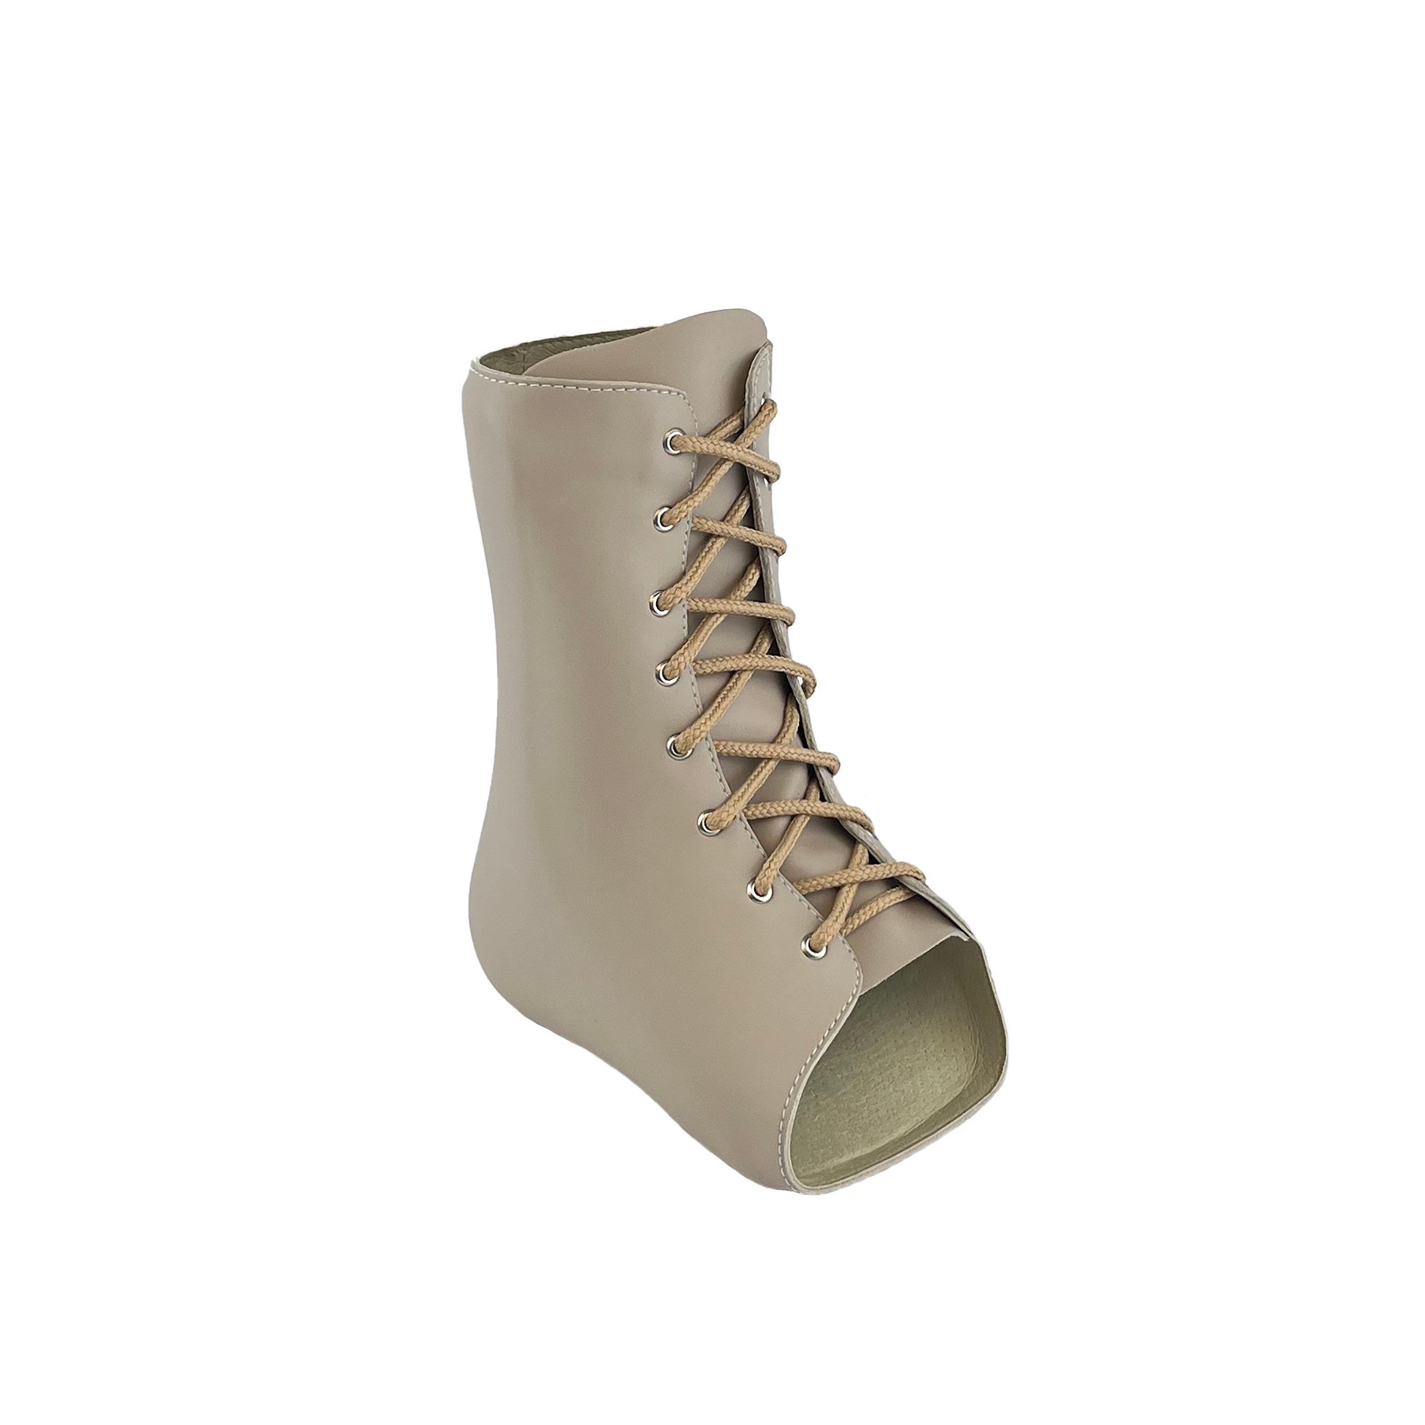
L2330 | Addition to lower extremity, lacer molded to patient model, for custom fabricated orthosis only. | 576.00 | 432.00 | 432.00 | 0.00 | 457.86 | 0.00
Total HCPCS |  | 1428.85 | 1071.64 | 1115.70 | 0.00 | 1110.50 | 0.00

Standard AFO Gauntlet
L1940 | Ankle foot orthosis, plastic or other material, custom fabricated. | 725.46 | 544.10 | 588.16 | 0.00 | 557.10 | 0.00
L2820 | Addition to lower extremity orthosis, soft interface for molded plastic, below knee section | 127.39 | 95.54 | 95.54 | 0.00 | 95.54 | 0.00
L2330 | Addition to lower extremity, lacer molded to patient model, for custom fabricated orthosis only. | 576.00 | 432.00 | 432.00 | 0.00 | 457.86 | 0.00
Total HCPCS |  | 1428.85 | 1071.64 | 1115.70 | 0.00 | 1110.50 | 0.00

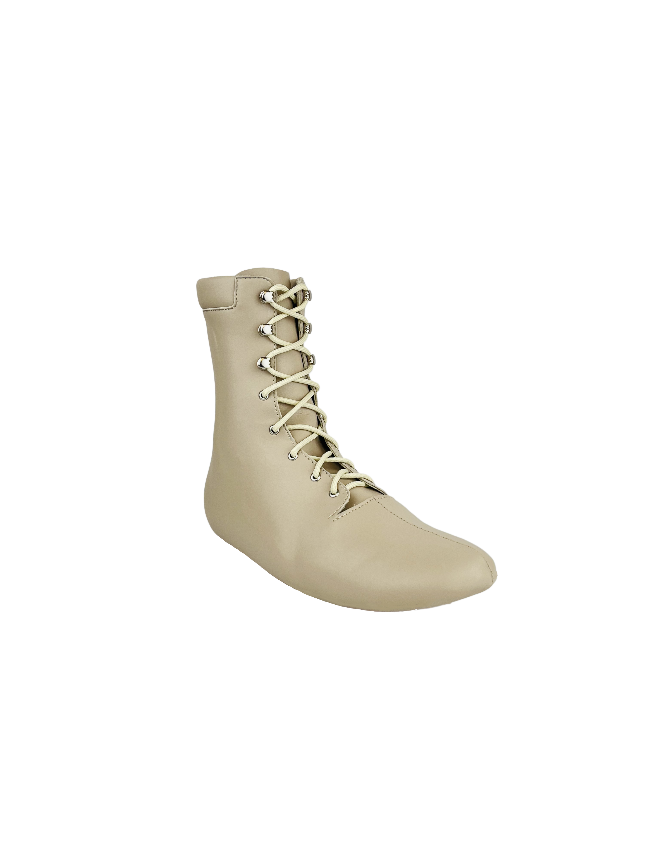
Active AFO Gauntlet
L1940 | Ankle foot orthosis, plastic or other material, custom fabricated. | 725.46 | 544.10 | 588.16 | 0.00 | 557.10 | 0.00
L2820 | Addition to lower extremity orthosis, soft interface for molded plastic, below knee section | 127.39 | 95.54 | 95.54 | 0.00 | 95.54 | 0.00
L2330 | Addition to lower extremity, lacer molded to patient model, for custom fabricated orthosis only. | 576.00 | 432.00 | 432.00 | 0.00 | 457.86 | 0.00
Total HCPCS |  | 1428.85 | 1071.64 | 1115.70 | 0.00 | 1110.50 | 0.00

Chopart Toe Filler Gauntlet
L1940 | Ankle foot orthosis, plastic or other material, custom fabricated. | 725.46 | 544.10 | 588.16 | 0.00 | 557.10 | 0.00
L2820 | Addition to lower extremity orthosis, soft interface for molded plastic, below knee section | 127.39 | 95.54 | 95.54 | 0.00 | 95.54 | 0.00
L2330 | Addition to lower extremity, lacer molded to patient model, for custom fabricated orthosis only. | 576.00 | 432.00 | 432.00 | 0.00 | 457.86 | 0.00
L5000 | Partial foot, shoe insert with longitudinal arch, toe filler | 789.62 | 592.22 | 620.31 | 0.00 | 789.62 | 0.00
Total HCPCS |  | 2218.47 | 1663.86 | 1736.01 | 0.00 | 1900.12 | 0.00

Assist Balance Brace
L1940 | Ankle foot orthosis, plastic or other material, custom fabricated. | 725.46 | 544.10 | 588.16 | 0.00 | 557.10 | 0.00
L2820 | Addition to lower extremity orthosis, soft interface for molded plastic, below knee section | 127.39 | 95.54 | 95.54 | 0.00 | 95.54 | 0.00
L2330 | Addition to lower extremity, lacer molded to patient model, for custom fabricated orthosis only. | 576.00 | 432.00 | 432.00 | 0.00 | 457.86 | 0.00
Total HCPCS |  | 1428.85 | 1071.64 | 1115.70 | 0.00 | 1110.50 | 0.00

Basic Solid Ankle AFO
L1960 | Ankle foot orthosis, posterior solid ankle, plastic, custom fabricated | 813.10 | 609.82 | 609.82 | 0.00 | 609.82 | 0.00
Total HCPCS |  | 813.10 | 609.82 | 609.82 | 0.00 | 609.82 | 0.00

Floor Reaction AFO
...

